Template
Date |  |  | Fill out all highlighted areas
Tag Number |  | (Can be two digit number or one letter plus one or two digit number)
Tag Type |  | (should match a known tag type in "axis conventions.m")
Lat: |  | (decimal degrees)
Long: |  | (decimal degrees)
Elevation (m):

Gyro/Accelerometer (Acc cal uses green highlighted rows, use only these rows if no gyro in tag)
Run test for at least 30 seconds in each position, be sure tag does not move during rotation
Positions refer to actual tag orientation. Correct axis conventions in "axisconventions.m" by choosing the correct tag type
The times autopopulate for convenience, but can be edited to match the reality of what you actually test
Use 24 hr time (e.g. 3 pm is 15:00)
position | start | stop | rpm (RPM values do not have to be exact) | notes
1 |  | 0:00:30 | 0 |  | Magnetometer
1 | 0:00:30 | 0:01:00 | 33 |  | Once when camera is off and once when it is on, do slow tag rotations outsides so that each axis passes through magnetic north directly (see figures in sheet 2)
1 | 0:01:00 | 0:01:30 | 45 |  | If no camera (or if the camera does not affect the magnetometer), put the same values in the "off" and the "on" rows
2 |  | 0:00:30 | 0 |  | camera | start | stop | notes
2 | 0:00:30 | 0:01:00 | 33 |  | off
2 | 0:01:00 | 0:01:30 | 45 |  | on
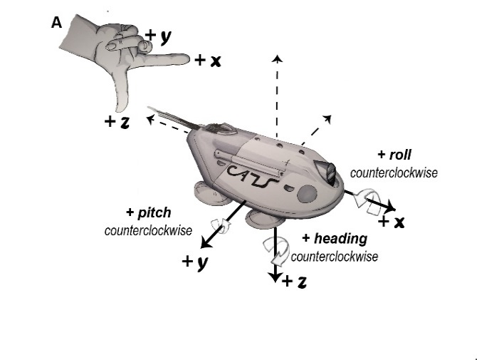
3 |  | 0:00:30 | 0 |  |  |  |  |  | Position 1 = positive x: on back facing up (Camera to the sky-rotate clockwise around x, negative roll)
3 | 0:00:30 | 0:01:00 | 33 |  |  |  |  |  | Position 2 = negative x: on front end facing down (camera towards the ground)
3 | 0:01:00 | 0:01:30 | 45 |  |  |  |  |  | Position 3 = positive y: on left side camera facing forward
4 |  | 0:00:30 | 0 |  |  |  |  |  | Position 4 = negative y: on right side, camera facing forward, rotate up around y, positive pitch
4 | 0:00:30 | 0:01:00 | 33 |  |  |  |  |  | Position 5 = positive z: on back, camera facing forward
4 | 0:01:00 | 0:01:30 | 45 |  |  |  |  |  | Position 6 = negative z: standard position- flat with camera facing forward (rotate counter clockwise around z, positive yaw)
5 |  | 0:00:30 | 0
5 | 0:00:30 | 0:01:00 | 33
5 | 0:01:00 | 0:01:30 | 45
6 |  | 0:00:30 | 0
6 | 0:00:30 | 0:01:00 | 33
6 | 0:01:00 | 0:01:30 | 45

